Sheet1
Defect id: | 1
project name: | Flipkart
module name: | Search
issue type: | Bug
summary | When we search for the specific product then in that page it also sows the another product
steps | 1) Log in to flipkart 2) click on the search bar 3) search for the oneplus 4) Navigate through the all the pages
priority: | High
seviority | Low
Expected result | Only displayed search products
actual result | it display another products also

attachment | 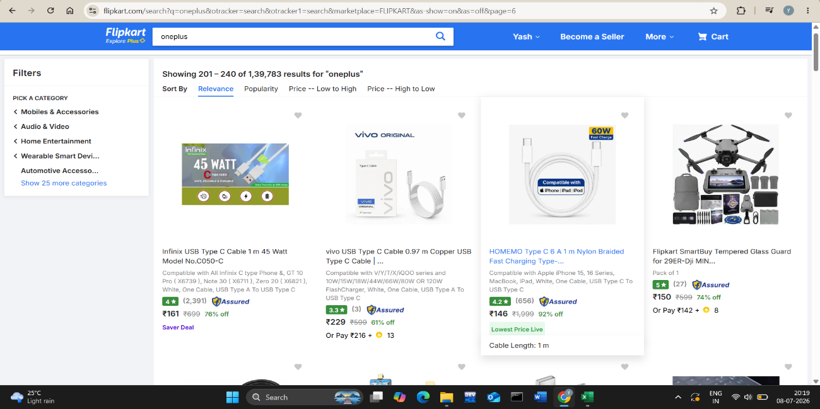
reported by | Yash Balasaheb Shinde

Defect id: | 2
project name: | Flipkart
module name: | Add to cart
issue type: | Bug
summary | When we go to Increase the Quantity of product then we can not get the quantity as we want we can increased up 10 only
steps | 1) Log in to flipkart 2) click on the search bar 3) search for the oneplus 4) Add the product to the cart 5) go to cart 6) click on drop down of quantity
priority: | High
seviority | Low
Expected result | we can increasd the quantity as we want
actual result | we can not increeasd the quantity beyond the 10 and also for the some product we can not increased the quantity

attachment | 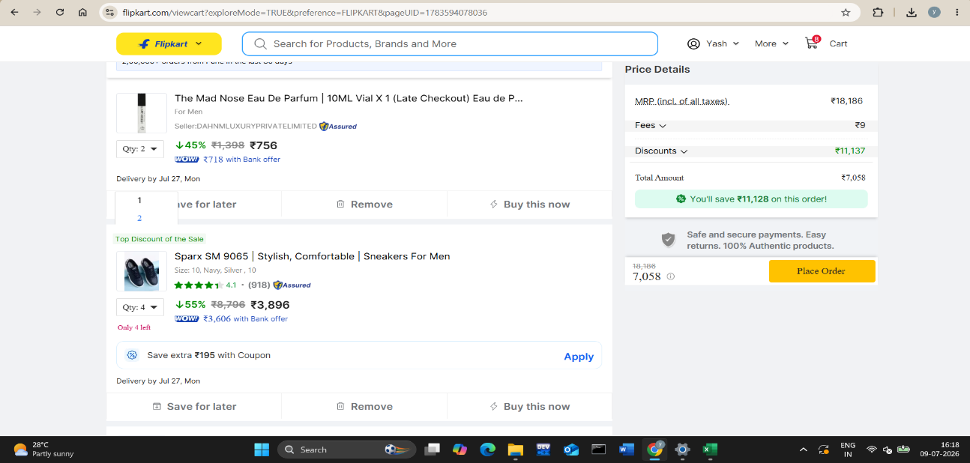
reported by | Yash Balasaheb Shinde

Defect id: | 3
project name: | Flipkart
module name: | check Out
issue type: | Bug
summary | Manualy calculated price and displayed price is not matched
steps | 1) Log in to flipkart 2) click on the search bar 3) search for the oneplus 4) Add the product to the cart 5) go to cart 6) Check the prioce shown and also calcutae the price manualy
priority: | High
seviority | High
Expected result | Actual the total price in the cart iteam should be correct
actual result | Price is not correct
attachment
reported By | Yash Balasaheb shinde
Defect id: | 4
project name: | Flipkart
module name: | cart
issue type: | Bug
summary | Manualy calculated price and displayed price is not matched
steps | 1) Log in to flipkart 2) click on the search bar 3) search for the oneplus 4) Add the product to the cart 5) go to cart 6) Check the prioce shown and also calcutae the price manualy
priority: | High
seviority | High
Expected result | Actual the total price in the cart iteam should be correct
actual result | Price is not correct
attachment | 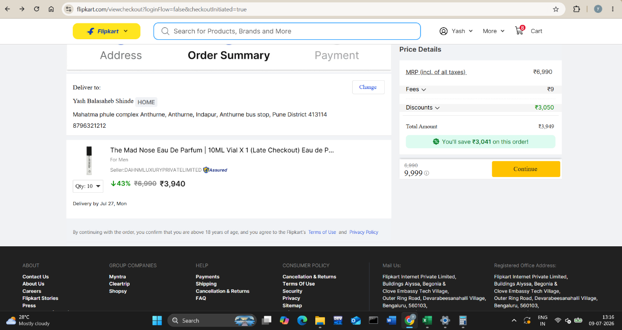
reported By | Yash Balasaheb shinde
Defect id: | 5
project name: | Flipkart
module name: | Add to cart
issue type: | Bug
summary | When we go to Increase the Quantity of product then we can not get the quantity as we want we can increased up 10 only
steps | 1) Log in to flipkart 2) click on the search bar 3) search for the oneplus 4) Add the product to the cart 5) go to cart 6) click on drop down of quantity
priority: | High
seviority | Low
Expected result | we can increasd the quantity as we want
actual result | we can not increeasd the quantity beyond the 10 and also for the some product we can not increased the quantity

attachment | 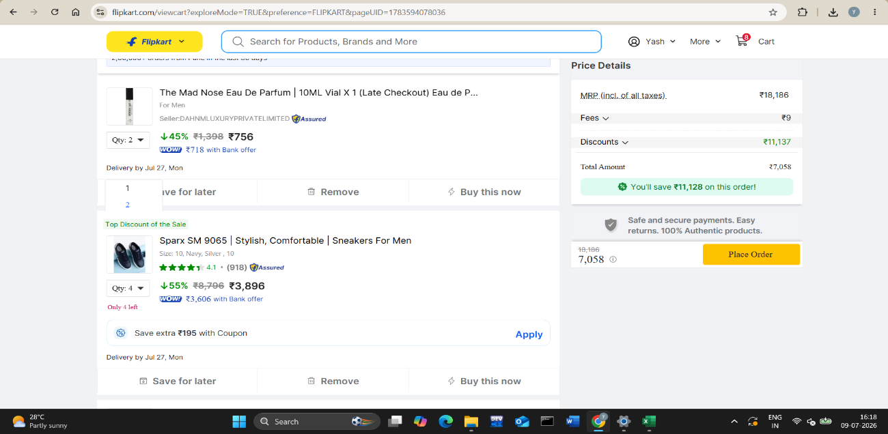
reported by | Yash Balasaheb Shinde

